Dashboard
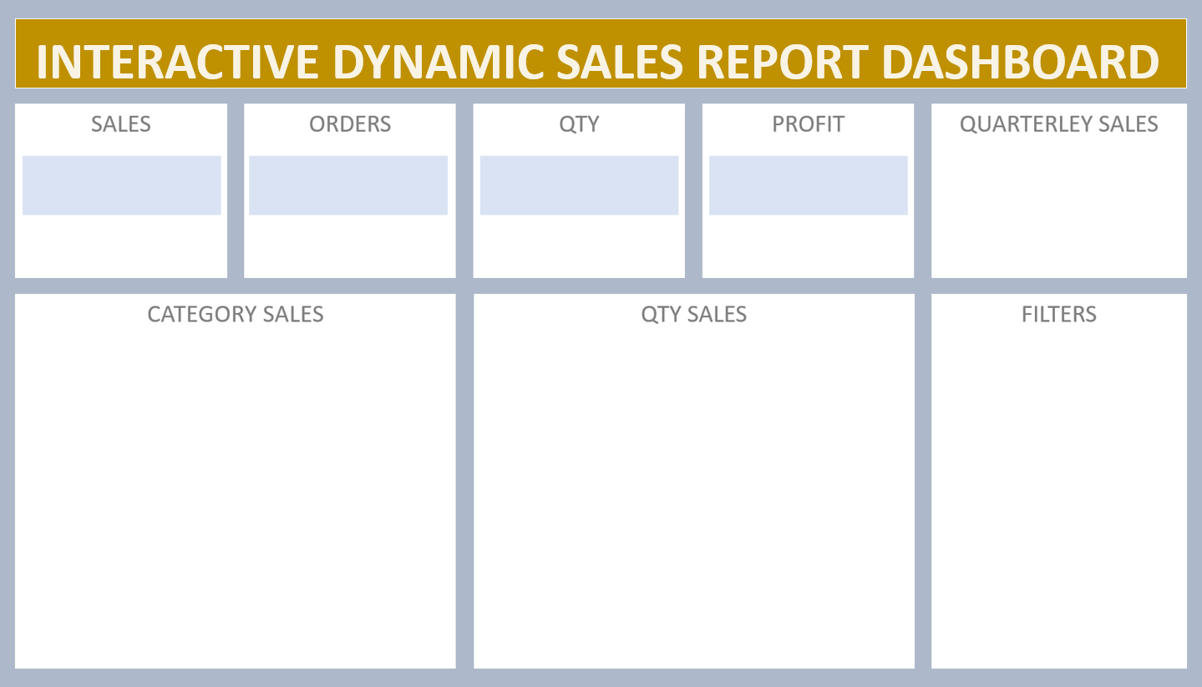

 | Total
Qtr1 | 95310
Qtr2 | 128180
Qtr3 | 183310
Qtr4 | 64760

₹ 4,71,560
55
215
₹ 47,156

